Art Assets
Pirority | Arrows | Textures | Pictures | Description | Animation
1 | Boxing glove arrow | green glove, green fletchings, wood shaft | 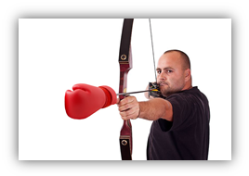 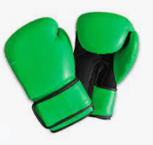 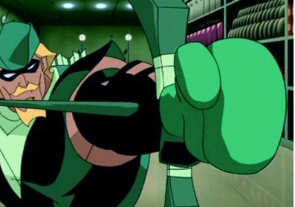 | -This arrow has green fletchings and a green glove. -This arrow has a boxing glove attached at the head. -This arrow is comedic in nature. Examples could include, The glove is taped to the shaft, The wood of the shaft becomes the glove, etc.

Pirority | Birds | Textures | Pictures | Description
1 | Wooden Bird | Wood texture with green flaking paint | 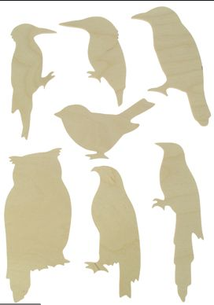 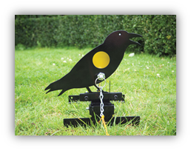 | This is a flat wooden bird cutout shape. The shape is that of a magpie. The wood was painted green, but that paint has aged and is starting to flake, revealing the wood underneath.

Pirority | Environment | Textures | Pictures | Description
1 | Quiver | PVC | 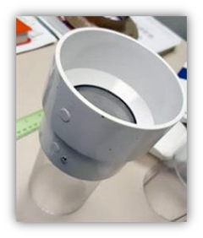 | -This but better -The quivers will be sticking out of the table. -See quiver textures below.

Pirority | Bow | Textures | Pictures | Description
1 | Wooden Bow | Wood/leather | 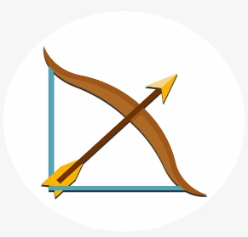 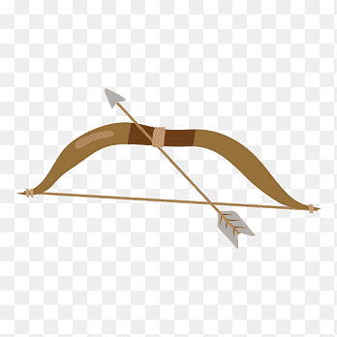 | This simple bow is composed of wood and has a leather grip. The string should be a typical brown/grey colour. This model requires two states. -One at rest, IE limbs not drawn. -The second at full draw, IE limbs extended/under pull.
Pirority | Barker | Textures | Pictures | Description | Animation
1 | Half a man | striped, wooden | 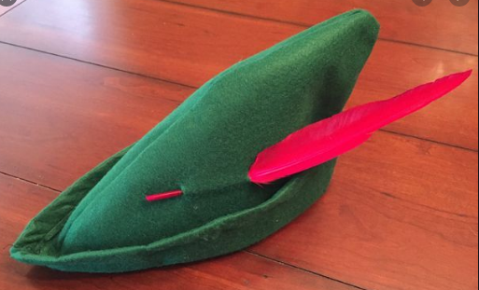 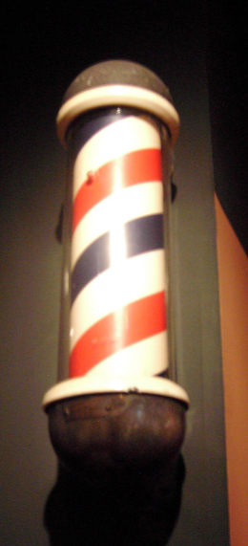 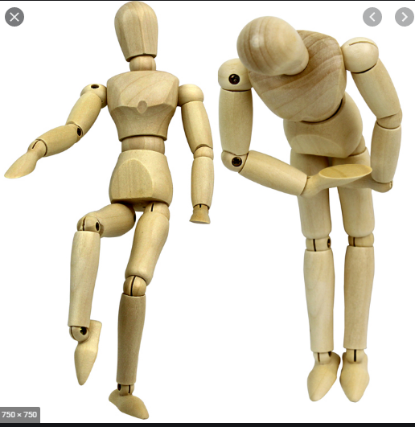 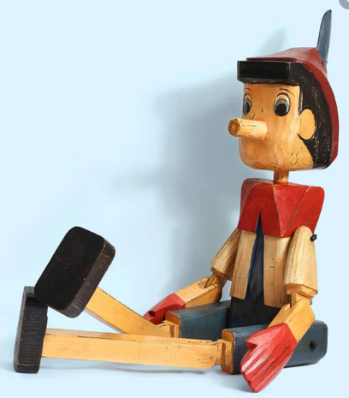 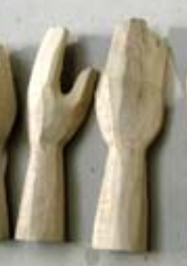 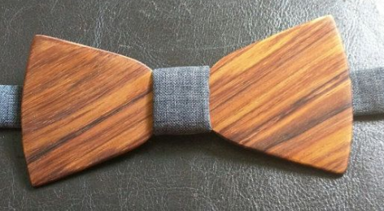 | The barker is a half wooden mechanized animatronic that is bolted to the bench of the attraction stand. <insert face stuff>. He has a striped tunic red and white tunic. His two arms are whole and functional. His hands are a full flat hand/no fingers with a single unjointed thumb. He is weather worn with peeling paint revealing the wood underneath. This hat sits upon the Barkers' head. It is old and weather worn like the barker himself. The paint is old and flaking. This wooden bow tie is painted blue. It is weather worn and the paint is flaking. | -Idle. -Two hands pointing right. -talking -RIght hand points right. -Look left to right. -Arms outstretched gesturing to people -Arms up and down greeting people.

